Sheet1
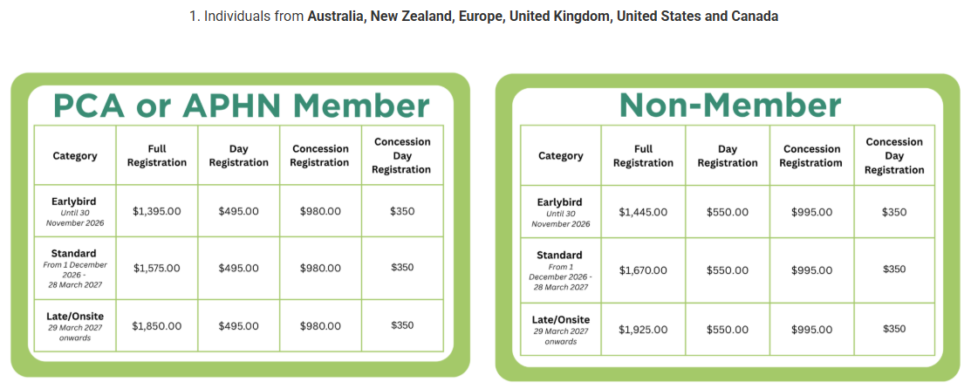
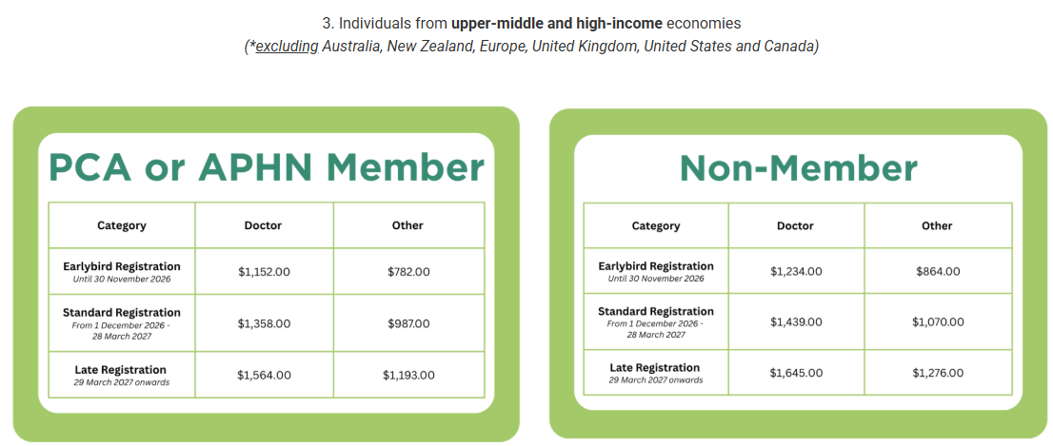
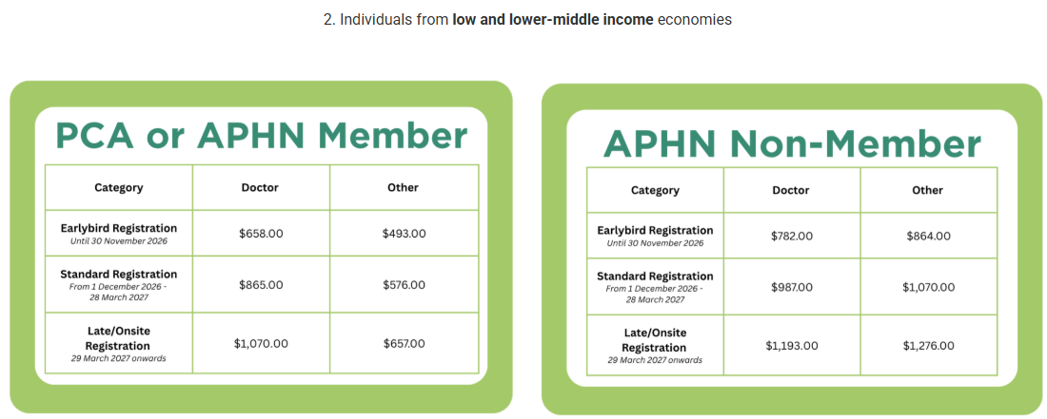
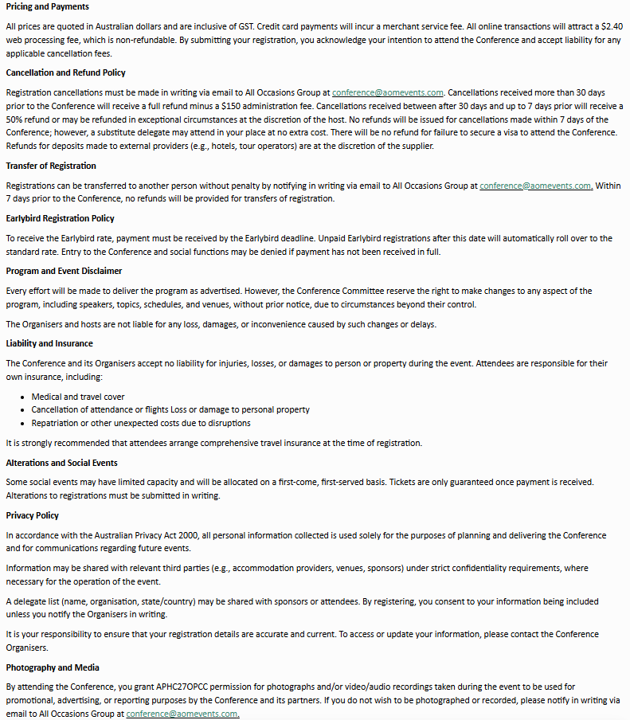
Kindly note that completing this form will incur a $17.40 manual registration /invoicing fee. This does not apply to complimentary registrations. To prevent any potential registration delays, please ensure that all fields are completed. | Contact Details |  |  |  |  |  |  |  |  |  |  |  |  | Country/Sector Information |  |  |  | Registration |  |  |  |  | Social Functions |  | Additional Information |  |  | Accommodation | T&C
 | Title | First Name/ Given Name | Last Name/ Family Name | Gender Woman Man Other Prefer not to say | Pronouns She/Her He/Him They/Them Other Prefer not to say | Organisation | Position | Email Address | Mobile | Primary Address | City | State/Province/County | Postcode | Conference fees are set on a sliding scale related to the delegate's profession and place of work, according to the World Bank's income classification. Please refer to the classifications below. Indicate from the following: 1. I am from Australia/New Zealand 2. I am from a from low and lower-middle income economy 3. I am from a upper-middle and high-income economy | If you indicated: 1. I am from Australia, New Zealand, Europe, United Kingdom, United States and Canada Please let us know below if you are a Palliative Care Australia and/or Asia Pacific Hospice Palliative Care Network member and/or a student/concession. | If you indicated: 2. I am from a from low and lower-middle income economy Please let us know below if you are a an Asia Pacific Hospice Palliative Care Network Member and/or a Doctor. | If you indicated: 3. I am from a upper-middle and high-income economy *(excludin Australia, New Zealand, Europe, United Kingdom, United States and Canada) Please let us know below if you are a an Asia Pacific Hospice Palliative Care Network Member and/or a Doctor. | If you are a Palliative Care Australia member, please indicate from the options below: -Australian and New Zealand Society of Palliative Medicine. -MND Australia. -Paediatric Palliative Care Australia & New Zealand (PAPCANZ) Association. -Pain Australia. -Palliative Care Australian Capital Territory (ACT). -Palliative Care New South Wales (NSW). -Palliative Care Northern Territory (NT). -Palliative Care South Australia (SA). -Palliative Care Tasmania Limited. -Palliative Care Nurses Australia. -Palliative Care Queensland. -Palliative Care Social Work Australia (PCSWA) Inc. -Palliative Care Victoria. -Palliative Care Western Australia (WA). -Parkinson’s Australia. | If you are an Asia Pacific Hospice Palliative Care Network member, please provide either your APHN Individual or Organisational Membership | Are you eligible for a student or concession registration rate? Yes - Student Yes - Concession No | Registration inclusions: Attendance to all sessions, access to the exhibition area, tea breaks and lunches for the duration of the Conference, one ticket to the Welcome Reception and one ticket to the Gala Dinner. Please indicate your Registration Type (see tables below) | Are you interested in attending a Pre-Conference Workshop being held on Tuesday 19th April 2027? Y/N | Date: Wednesday, 21 April 2027 Time: TBA Location: Exhibition Area (Halls F/G/H) Will you be attending the Welcome Reception? Y/N | Date: Thursday, 22 April 2027 Time: TBA Location: Halls L/M/N Will you be attending the Conference Dinner? Y/N | Dietary Requirements | Access Requirements | Do you consent for your details to be included in the delegate list? Y/N | To take advantage of special APHC27OPCC accommodation rates please email All Occasions Group. | Do you accept the terms and conditions? > Y/N

 |  |  |  |  |  |  |  |  |  |  |  |  |  | Click Here For The World Bank's Income Classification

