Sheet1
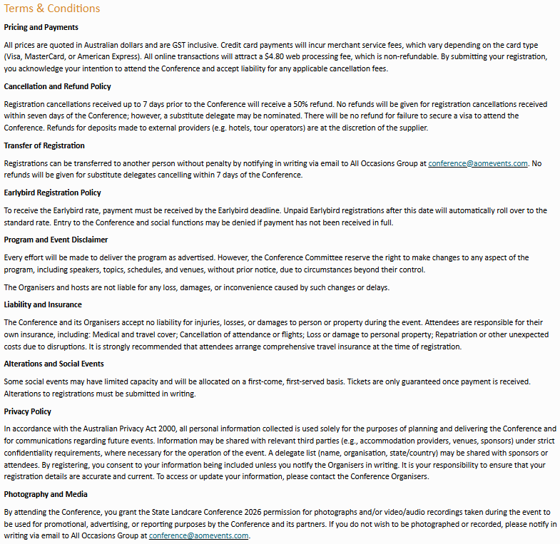
Kindly note that completing this form will incur a $19.80 manual registration /invoicing fee. This fee does not apply to Complimentary Registrations. To prevent any potential registration delays, please ensure that all fields are completed. | CONTACT INFORMATION |  |  |  |  |  |  |  |  |  |  |  |  |  | PRIVACY | REGISTRATION | T&C
 | Title | First Name | Last Name | Organisation | Position | Email Address | Mobile | Primary Address | City | State | Postcode | Country | Dietary Requirements | Do you have any access requirements? | Do you consent for your details to be included in the full delegate list? Y/N | Registration Type - Please refer to the table below Full Registration includes morning tea, lunch and afternoon tea on both Conference days, including Conference materials. Day Registration includes morning tea, lunch and afternoon tea on the selected Conference day, including applicable Conference materials. | Do you accept the terms and conditions? Y/N

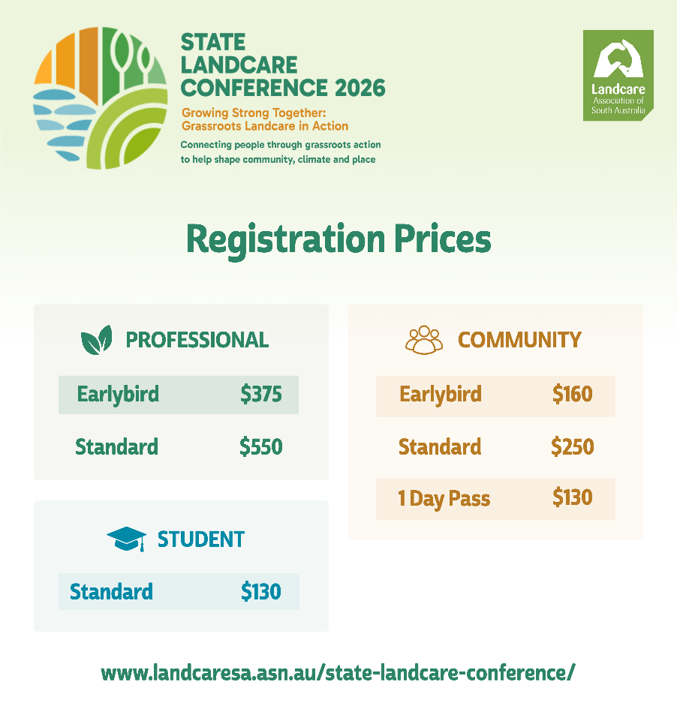

 |  |  |  |  |  |  |  |  |  |  |  |  |  |  |  | Community Delegate: For people involved in community-led Landcare and environmental action in South Australia. This includes: Landcare, Coastcare, Bushcare and community environment group members; Volunteers, coordinators, and committee members; Farmers and landholders involved in Landcare or sustainable land management; Aboriginal community members engaged in Caring for Country; Not-for-profit organisations. Professional Delegate: For people attending in a professional or organisational role. This includes: Local, State or Australian Government staff; Landscapes SA or statutory authorities; Corporate, industry or philanthropic organisations; Consultants, advisors, and service providers. Student Delegate: For people currently enrolled in study. This includes: TAFE, undergraduate, postgraduate or research students. Proof of enrolment will be requested.

