Sheet1
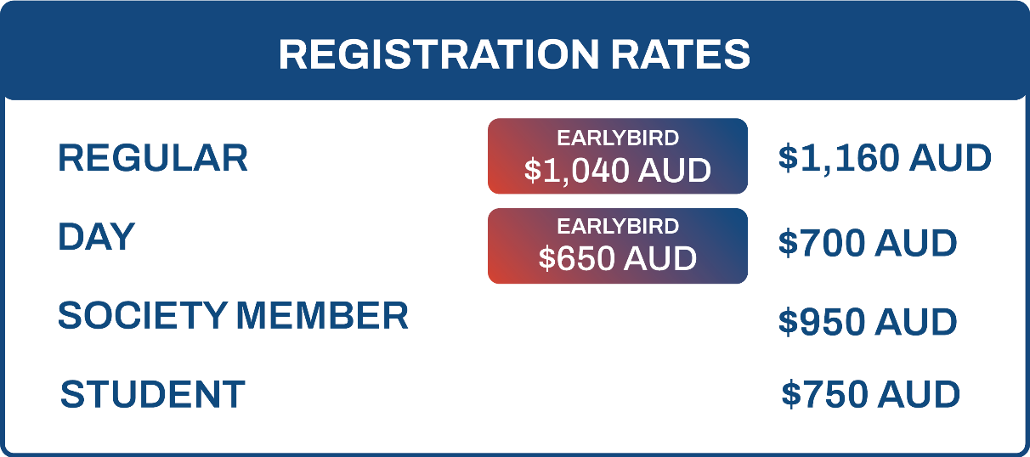
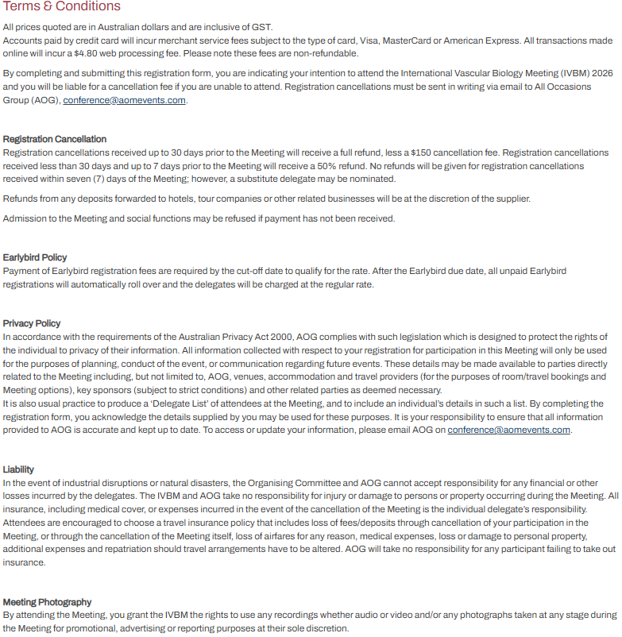
Kindly note that completing this form will incur a $19.80 manual registration /invoicing fee. This does not apply to complimentary registrations. To prevent any potential registration delays, please ensure that all fields are completed. | Contact Details |  |  |  |  |  |  |  |  |  |  |  |  | Other Requirements |  | Privacy | Membership |  | Registration |  | Social Functions |  | Accommodation | T&C
 | Title | First Name | Last Name | Organisation | Position | Email Address | Mobile | Address | City | State | Postcode | Country | Gender | Dietary Requirements | Access Requirements | Do you consent for your details to be included in the delegate list? Y/N | Are you a member of a Society? Yes, I am a member of the Australian Vascular Biology Society (AVBS). Yes, I am a member of the Australian Atherosclerosis Society (AAS). Yes, I am a member of the Australia & New Zealand Microcirculation Society (ANZMS). No, I am not a society member. | If applicable, please provide your Society Member Number/Name below: | Are you a Student? Yes, I am an undergraduate or graduare student. Yes, I am a PhD candidate No, I am not a student If yes, please attach your student ID when returning the form. | Please indicate your Registration Type (see table below) Full Registration includes all catering, Meeting materials and Welcome Reception. The Meeting Gala Dinner tickets can be purchased separately. | Date: Sunday, 6 September 2026 Time: 5:00pm - 7:00pm Venue: Adelaide Convention Centre Will you be attending the Welcome Reception? (Inclusive) Y/N | Date: Wednesday, 9 September 2026 Time: 7:00pm - 11:00pm Venue: Adelaide Convention Centre Will you be attending the Gala Dinner? ($160.00) Y/N | To take advantage of special IVBM accommodation rates please email All Occasions Group. | Do you accept the terms and conditions? Y/N

