Sheet1
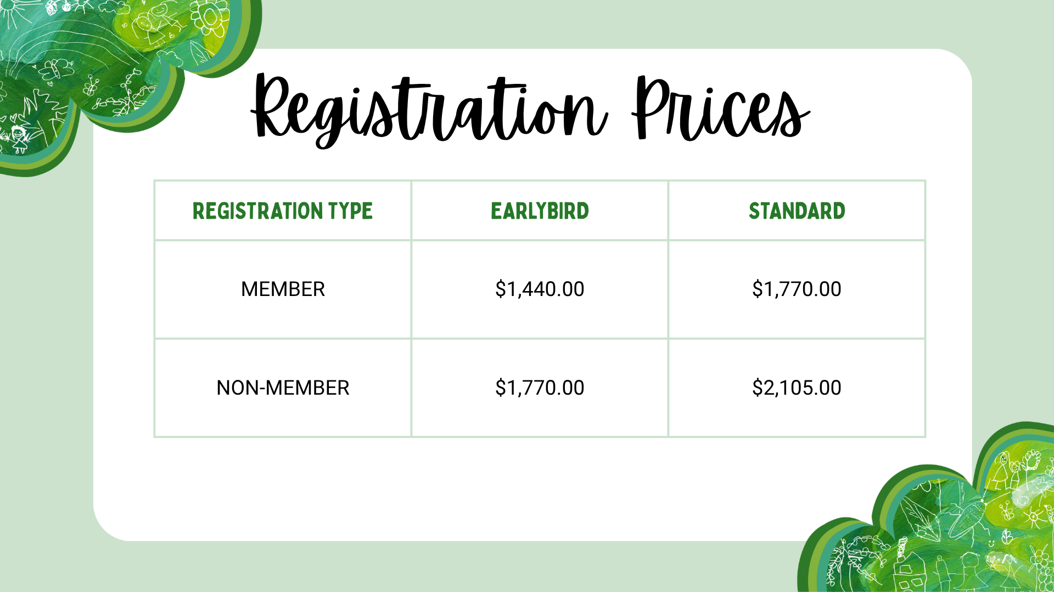
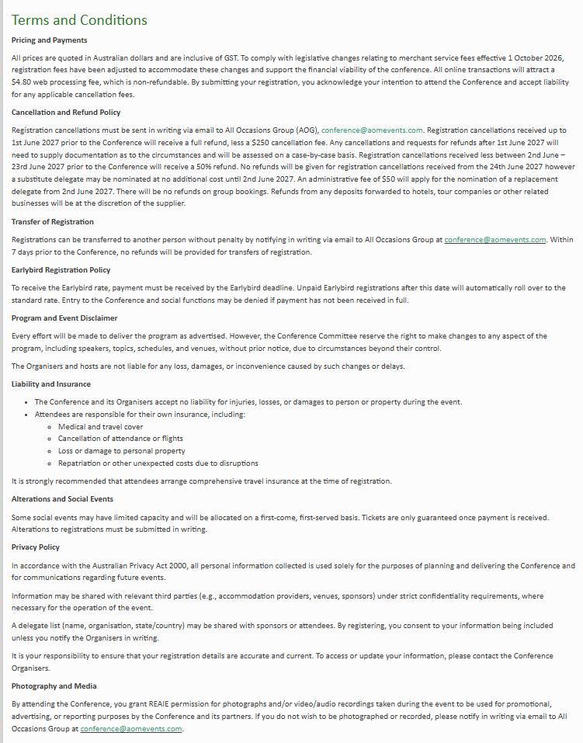
Kindly note that completing this form will incur a $19.80 manual registration /invoicing fee. This does not apply to complimentary registrations. To prevent any potential registration delays, please ensure that all fields are completed. | Contact Details |  |  |  |  |  |  |  |  |  |  |  |  |  | Requirements |  |  |  |  |  | Privacy |  | Registration |  |  | Social Functions |  | Discounted Delegate Accommodation | T&C
 | Title Miss Mrs Ms Mr Mx Dr Prof A/Prof | First Name | Last Name | Gender Woman Man Non-binary I use a different term Prefer not to say | Pronoun | Organisation | Position | Mobile | Email Address | Primary Address | City | State | Country | Postcode | Dietary Requirements | Access Requirements The conference and organisers are committed to providing a safe, welcoming and inclusive environment for all delegates where possible. Please let us know if there are additional ways we can support your access to the Conference. | Do you identify as an Aboriginal and/ or Torres Strait Islander person? Y/N | What is your employment sector? Education - Early Childhood Education - Primary Education - Secondary Education - Tertiary Government Health Social Services Creative Industries Other Please advise below | What is your role? Early Childhood Educator Classroom Teacher Specialist Teacher Educational Leader Administrator Maternal-Child Health Nurse Allied Health and Support Lecturer Consultant Researcher Artist/Designer Other Please advise below | Emergency Contact Details Please provide your emergency contact's first name, last name, relationship, and phone number Please advise | Do you consent for your details to be included in the delegate list? In registering for the REAIE 2027 Conference, relevant details will be incorporated into a delegate list. These details (name, position, company and email address) may be made available to parties directly related to the Conference including All Occasions Group, the organising committee, sponsors, exhibitors and parties associated with the related Conference. By completing the registration form, you acknowledge that the details supplied by you may be used for the above purposes. Should you not wish your details to be used for these purposes, please indicate below. Y/N | Are you a Student? (Students must be currently enrolled in an educational institution (undergraduate or graduate level). Students must provide valid proof of student status (e.g., student ID card, enrolment verification, or a letter from the institution) when selecting their registration type on the next page.) Y/N | Please indicate your Registration Type (see table below) Earlybird Member Registration Standard Member Registration Earlybird Non-Member Registration Standard Non-Member Registration | *Members Only If you are a member, what is your Organisation's Membership? Organisation A Organisation B Organisation C | Will you be attending the Welcome Reception? Thursday 1 July 2027 Y/N | Will you be attending a Pre-Conference Tour? Wednesday 30 June 2027 Pre-Conference program will include Educational Encounters and Pedagogical Encounters. Please note fees will apply. | Will you be attending the Welcome Reception? (Inclusive) Thursday 1 July 2027 Y/N | To take advantage of special REAIE conference accommodation rates please email All Occasions Group. conference@aomevents.com | Do you accept the terms and conditions? Y/N

