Sheet1
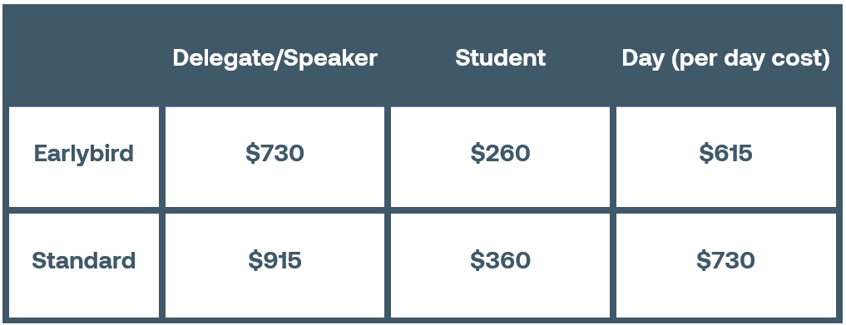
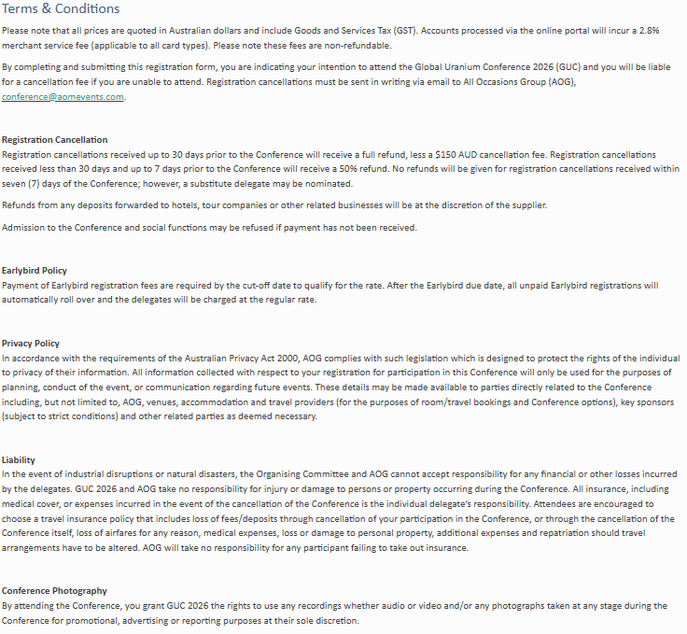
Kindly note that completing this form will incur a $19.80 manual registration /invoicing fee. To prevent any potential registration delays, please ensure that all fields are completed. | Contact Details |  |  |  |  |  |  |  |  |  |  |  |  |  |  |  |  |  |  |  | T&C
 | Title | First Name | Last Name | Organisation | Position | Email Address | Mobile | Primary Address | City | State | Postcode | Country | Dietary Requirements | Do you have any access requirements? | Do you consent for your details to be included in the delegate list? Y/N | Are you a Student? Y/N If yes, please attach your student ID when returning the form. | Insert the Applicable Registration Type. Please see the table below. *Registration includes conference materials, name badge, and attendance to all Conference sessions, tea breaks and lunches for the duration of the Conference (or if a Day Registration is purchased, attendance, name badge and catering to the day of your choice is included). | Welcome Drinks & Conference Dinner Date: Wednesday, 7 October 2026 Location: Ballroom Foyer, SkyCity Adelaide Time: Welcome Drinks from 5:30pm, Conference Dinner from 6:30pm Would you like to purchase a Welcome Drinks Ticket or Conference Dinner Ticket? Yes, I would like to attend Welcome Drinks Only - $50.00 Yes, I would like to attend the Welcome Drinks & Conference Dinner - $205.00 No, I would not like to attend the Welcome Drinks Or Conference Dinner | Closing Drinks Date: Thursday, 8 October 2026 Location: Ballroom Foyer, SkyCity Adelaide Time: 5:00pm - 6:00pm Would you like to attend the Closing Drinks? $60.00 Y/N | Special Site Visit Expression of Interest The GUC 2026 organising committee looking to offer a special site visit on Tuesday, 6 October. Please indicate below if you are interested in receiving more information when it becomes available. Would you like to recieve more information about the site visit? Y/N | Do you accept the terms and conditions? Y/N

 |  |  |  | REGISTRATION PRICES
 |  |  |  | Earlybird Registration Ends August

