Sheet1
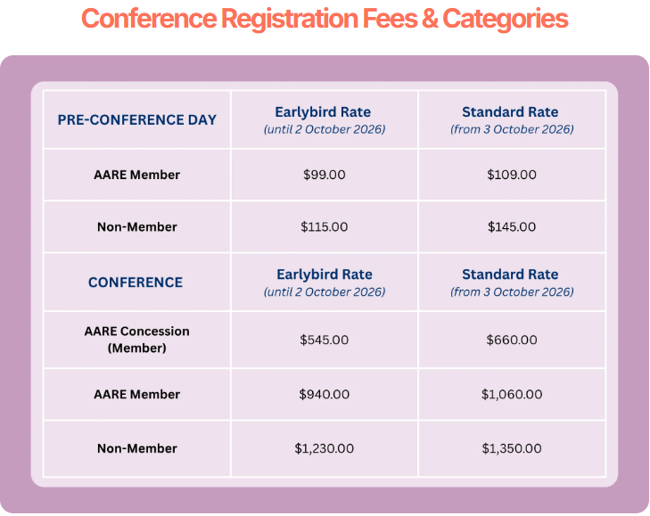
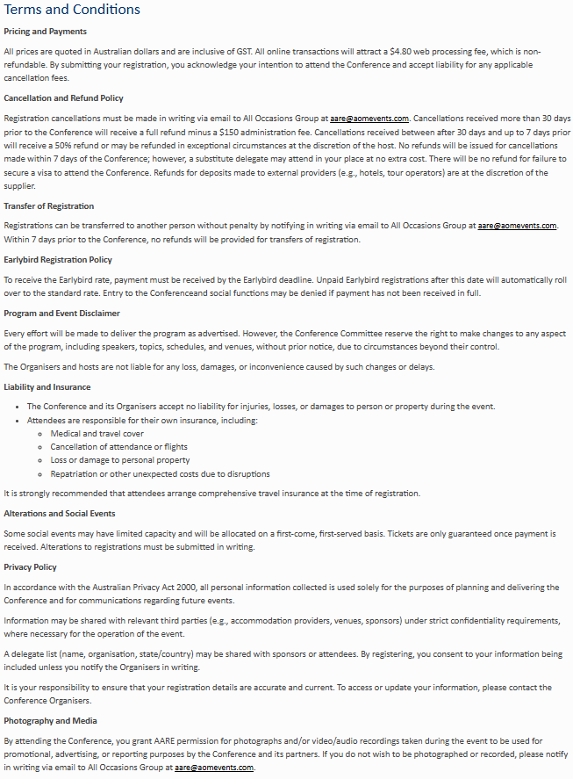
Kindly note that completing this form will incur a $19.80 manual registration /invoicing fee. This does not apply to complimentary registrations. To prevent any potential registration delays, please ensure that all fields are completed. | Contact Details |  |  |  |  |  |  |  |  |  |  |  |  |  | Other Requirements |  | Privacy | Member | Registration |  | Social Events |  | Accomodation | Terms and Conditions
 | Title | First Name | Last Name | Gender | Pronoun | Position | Organisation | Email Address | Mobile | Address | City | Country | State | Postcode | Dietary Requirements | Access Requirements | Do you consent for your details to be included in the delegate list? Y/N | Are you an Australian Association for Research in Education (AARE) member? Y/N | Pre-Conference Day *Please note Pre-conference registration is not included in the full conference registration fee. AARE Member Non-Member | Conference *Please note concessional rates are available to delegates who are AARE Concessional Members only. AARE Concession (Member) AARE Member Non-Member | Welcome Reception Date: Sunday, 29 November 2026 Time: 5:00pm - 7:00pm Venue: QUT Kelvin Grove, Brisbane (Y/N) | Discover Walking on Country (Optional Activity) Date: Tuesday, 1 December 2026 Time: Approx. 4.15pm - 5.15pm Venue: Starting at the QUT, Kelvin Grove Campus A guided, augmented reality walking experience that brings to life the rich history and culture of the Turrbal and Yugara peoples in Meanjin (Brisbane). (Y/N) | To take advantage of special AARE accommodation rates please email All Occasions Group. | Do you accept the terms and conditions? Y/N

