Sheet1
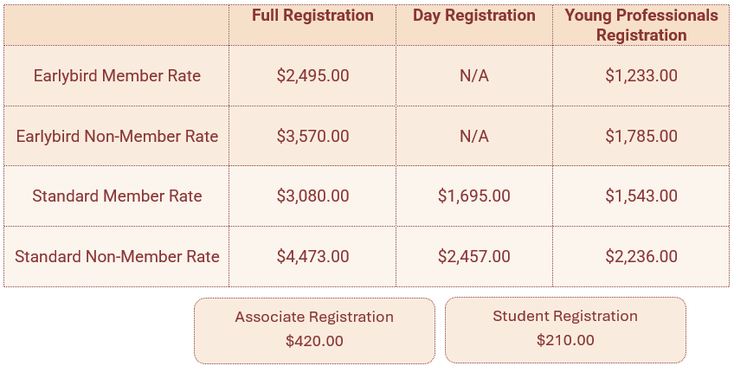
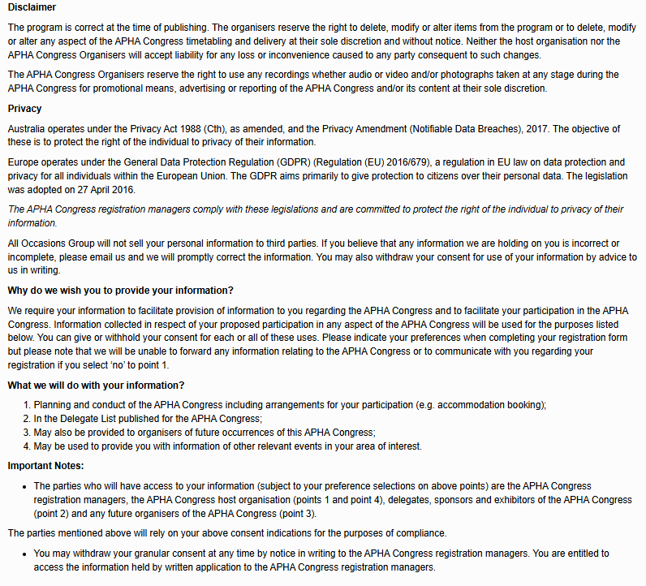
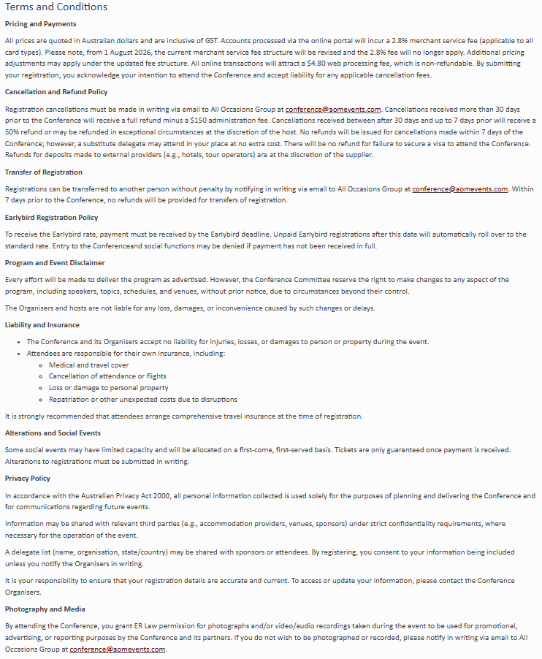
Kindly note that completing this form will incur a $19.80 manual registration /invoicing fee. This does not apply to complimentary registrations. To prevent any potential registration delays, please ensure that all fields are completed. | Contact Details |  |  |  |  |  |  |  |  |  |  |  | Requirements |  | Privacy | Membership |  |  | Registration | Social Functions |  | Accommodation | T&C
 | Title | First Name | Last Name | Organisation | Position | Email Address | Mobile | Primary Address | City | State | Postcode | Country | Dietary Requirements | Access Requirements | Do you consent for your details to be included in the delegate list? Y/N | Are you a student? *Student registrants must be currently enrolled in an educational institution (undergraduate or graduate level). Students must provide valid proof of student status (e.g., student ID card, enrolment verification, or a letter from the institution). Y/N | Are you an ER Law member? Y/N | If you are a member: Are you In-House or from a Firm? In-House A Firm | Please indicate your Registration Type (see table below). Full Registration inclusions: Fees include attendance to all sessions, access to the exhibition area, tea breaks and lunches for the duration of the Conference, and one ticket to the Welcome Reception. Day Registration inclutions: attendance to the day you select. Social Functions are not included in these registration types. Tickets can be purchased for an additional amount | Will you be attending the Welcome Reception? (Inclusive) Y/N | Would you like to purchase a Gala Dinner ticket? $235.00 Y/N | To take advantage of special ER Law Conference accommodation rates please email All Occasions Group. | Do you accept the terms and conditions? Y/N

