Sheet1
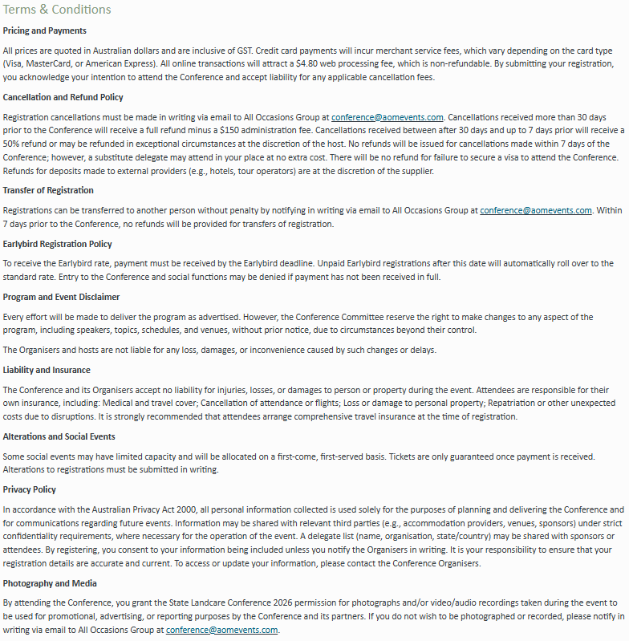
Kindly note that completing this form will incur a $19.80 manual registration /invoicing fee. This does not apply to complimentary registrations. To prevent any potential registration delays, please ensure that all fields are completed. | Contact Details |  |  |  |  |  |  |  |  |  |  |  | Requirements |  | Privacy | Registration |  |  | Social Functions |  |  | Accommodation | T&C
 | Title | First Name | Last Name | Organisation | Position | Email Address | Mobile | Primary Address | City | State | Postcode | Country | Dietary Requirements | Access Requirements | Do you consent for your details to be included in the delegate list? Y/N | Are you an ARS member? Y/N Indicate your member name below. | Please indicate your Registration Type (see table below) Full Registration includes morning tea, lunch, afternoon tea on all Conference Days, including Conference materials, access to one mid-congress tour, and one ticket to the Welcome Reception and Conference dinner. Member/Non-Member Registration: For those who are/are not members of the Australian Rangeland Society. Student/Early Career Registration: For those who are currently enrolled in study, including undergraduate, postgraduate or research students; or, those who are early in their career (up to 5 years in the rangeland industry). Supporting Registration: This registration type contributes a portion of the registration fee towards a fellow delegate requiring support to attend the Conference. | Do you intend on bringing along an Accompanying Person to the conference? Y/N An Accompanying Person Registration includes a ticket to the Welcome Reception, Conference Dinner, and a mid-conference tour. | Tuesday 8 and Thursday 10 September. Canapes & drinks included. Will you be attending a Poster Session? Yes, Tuesday & Thursday. Yes, Tuesday. Yes, Thursday. No. | Monday, 7 September, 5:30pm - 7:30pm. Venue: DoubleTree by Hilton Hotel. Will you be attending the Welcome Reception? Y/N | Date: Thursday, 10 September, from 5:30pm Will you be attending the Conference Dinner? Y/N If you would like to purchase an additional ticket for a guest to attend with you ($120.00) please let us know. | To take advantage of special ARS accommodation rates please email All Occasions Group. | Do you accept the terms and conditions? Y/N

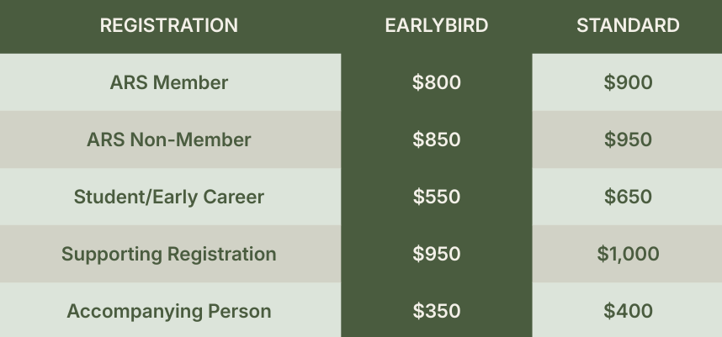

 |  |  |  |  |  |  |  |  |  |  |  |  |  |  |  |  | Earlybird Registration closes on 1 June 2026, 11:59pm ACST

